pattern to learn
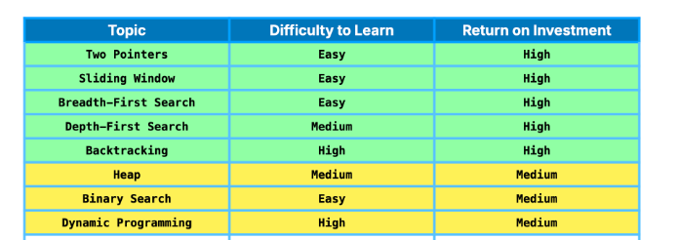
to learn |  | string
2 pointers | precompute
binary search | m*n matrix |  |  | sorting -
linear search |  |  |  | bubble sort |  | easy
Top K Elements | min heap |  |  | insertion sort |  | most famous problem
 | max heap |  |  | quick sort |  | Leetcode Patterns
string to ascii |  |  |  |  |  | NeetCode - Core Skills
sliding window
string builder methods
dp
dfs
bfs

1. 2 pointer: 6:18
2. Binary Tree BFS: 5:26
3. Topological Sort: 4:33
4. Binary Tree DFS: 3:39
5.: 2:45
6. Modified Binary Search: 1:35
7. Subset: 1:04
8. Sliding window: 0:17

- *Introduction:* | 1 | 2 | 3 | 4 | 5
- 8 important patterns for coding interviews split into two categories:
- *Linear structures:* arrays, linked lists, strings.
- *Nonlinear structures:* trees, graphs.
- Focus on pre-built code templates for these patterns.

- *Linear Data Structure Patterns:*
1. *Two Pointers:*
- Reduces time complexity to linear time \(O(n)\).
- Two methods:
- Same direction: used for scanning data in a single pass (e.g., fast and slow pointers to detect cycles or find middle elements).
- Opposite directions: used for finding pairs (e.g., sum of two numbers in a sorted array).
2. *Sliding Window:*
- Refines two pointers to manage a window of elements dynamically.
- Expands or contracts the window to meet specific conditions (e.g., longest substring without repeating characters).
- Often combined with hashmaps.
3. *Binary Search:*
- Efficiently finds target in logarithmic time \(O(\log n)\).
- Extends to lists with monotonic conditions, not just sorted numbers.
- Example: finding the minimum in a rotated sorted array.

- *Nonlinear Data Structure Patterns:*
4. *Breadth-First Search (BFS):*
- Explores nodes level by level.
- Uses a queue to keep track of visited nodes (ideal for level order traversal).
5. *Depth-First Search (DFS):*
- Dives deep into one path before exploring others.
- Often uses recursion and is memory efficient for exploring all paths.
- Example: counting islands in a grid.
6. *Backtracking:*
- Extension of DFS, explores all possible solutions.
- Builds the solution dynamically by making decisions and backtracking on invalid paths.
- Example: letter combinations of a phone number.

- *Heaps (Priority Queue):*
7. *Heaps:*
- Used for questions related to top K, K smallest/largest.
- *Min Heap:* smallest value at the root.
- *Max Heap:* largest value at the root.
- Max Heap is used to find K smallest values, and vice versa for K largest.

- *Dynamic Programming (DP):*
8. *Dynamic Programming:*
- Optimizes solutions by breaking problems into overlapping subproblems.
- Two approaches:
- *Top-down:* recursive with memoization to store results.
- *Bottom-up:* solves smaller subproblems iteratively using a table.
- Too complex for this video but covered in-depth on their website.

